Detail
Superceded by confluence page: |  | https://confluence.walmart.com/pages/viewpage.action?spaceKey=ASDACE&title=CSM0670+-+Customer+Penetration+Metrics
initially was designed using rpt tables, but changed to use odl tables.

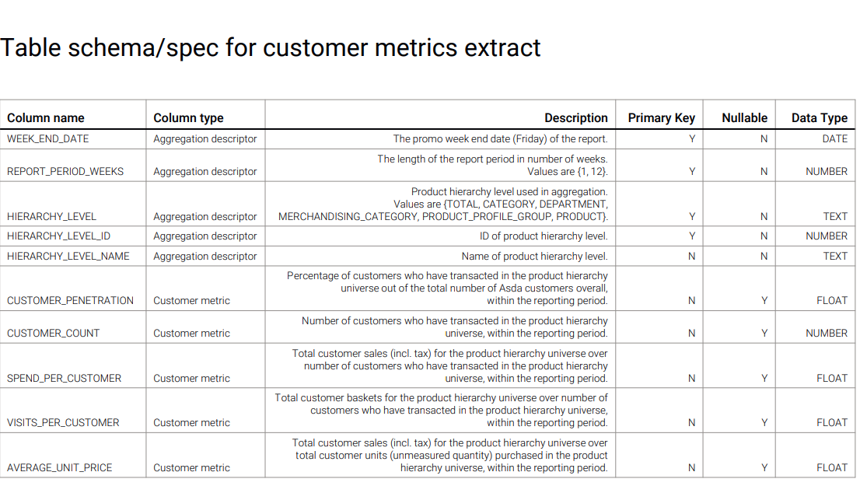
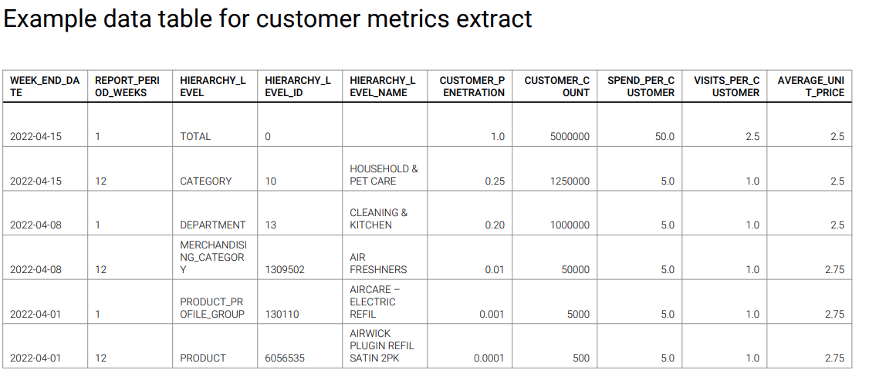

Column Name | Souce Database | Source Table | Source Column | Comments/Notes | Notes for quantium
WEEK_END_DATE | gb_customer_data_domain_rpt | cdd_rpt_transaction | asda_wk_nbr | Value for 1 week and total value for 12 weeks. | Possible request for historical catch up.
REPORT_PERIOD_WEEKS |  |  |  | Values are (1, 12) 1 = current max weeks transactions 12 = total transaction values for the last 12 weeks. | Do we need to use active customer's only
HIERACHY_LEVEL |  |  |  | Row for each level group by desc Values (total, category, department, merchandising_category, product_profile_group, product) - One row for each Hierachy Level group. | Should we be using asda week number or asda week end date
HIERACHY_LEVEL_ID | gb_customer_data_domain_rpt gb_customer_data_domain_rpt | cdd_rpt_transaction cdd_rpt_product | catg_nbr dept_nbr mdse_catg_nbr fineline_nbr original_cin | 1 row per product hierachy level id join cdd_rpt_trasaction_item.orginal_cin = cdd_rpt_product_original_cin Values are:- "total" = 0 "category" = CustomerDataDomain.RPT.product.catg_nbr "department" =CustomerDataDomain.RPT.product.dept_nbr "merchandising_category" = CustomerDataDomain.RPT.product.mdse_catg_nbr "product_profile_group" = CustomerDataDomain.RPT.product.fineline_nbr "product" = CustomerDataDomain.RPT.product.original_cin
HIERACHY_LEVEL_NAME | gb_customer_data_domain_rpt gb_customer_data_domain_rpt | cdd_rpt_transaction cdd_rpt_product | catg_desc dept_desc mdse_cat_desc fineline_desc product_desc | 1 row per product hierachy level id join cdd_rpt_trasaction_item.orginal_cin = cdd_rpt_product_original_cin Values are:- "total" = 0 "category" = cdd_odl_dim_item_hierarchy.catg_desc "department" = cdd_odl_dim_item_hierarchy.dept_desc "merchandising_category" = cdd_odl_dim_item_hierarchy.mdse_catg_des "product_profile_group" = cdd_odl_dim_item_hierarchy.fineline_desc "product" = cdd_odl_dim_item_hierarchy.product_desc
CUSTOMER_PENETRATION | gb_customer_data_domain_rpt gb_customer_data_domain_odl | cdd_rpt_transaction cdd_odl_unified_customer | unified_cust_id | 1 row per product hierachy level id Values are:- COUNT (DISTINCT tr.unified_cust_id) * 100 / (SELECT COUNT(DISTINCT unified_cust_id) FROM CustomerDataDomain.ODL.unified_customer uc WHERE is_active_cip = 'Y') AS customer_penetration where (reporting period week ie 1 or 12).
CUSTOMER_COUNT | gb_customer_data_domain_rpt | cdd_rpt_transaction | unified_cust_id | 1 row per product hierachy level id Values are:- COUNT (distinct(tr.unified_cust_id))as customer_count where (reporting period week ie 1 or 12).
SPEND_PER_CUSTOMER | gb_customer_data_domain_rpt | cdd_rpt_transaction | sale_amt_inc_vat unified_cust_id | 1 row per product hierachy level id Value are:- SUM (tr.sale_amt_inc_vat)/Count (distinct(tr.unified_cust_id)) as spend_per_customer where (reporting period week ie 1 or 12).
VISITS_PER_CUSTOMER | gb_customer_data_domain_rpt gb_customer_data_domain_rpt | cdd_rpt_transaction cdd_rpt_customer_basket | unified_cust_id basket_id | 1 row per product hierachy level id Value are:- Count(tr.unified_cust_id)/(SELECT COUNT(basket_id) FROM CustomerDataDomain.RPT.customer_basket) as visits_per_customer How many transactions happened where product hierachy level id divided by Customer count on that product hierachy id where (reporting period week ie 1 or 12).
AVERAGE_UNIT_PRICE | cdd_rpt_transaction | cdd_rpt_transaction | sale_amt_inc_vat unmeasured_qty | 1 row per product hierachy level id Value are:- Sum(tr.sale_amt_inc_vat) / SUM(tr.unmeasured_qty) AS average_unit_price where (reporting period week ie 1 or 12).

